plot
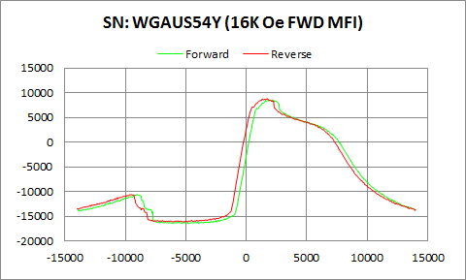

WGAUS54Y | Forward |  | Reverse
 | Ampl | Field | Ampl | Field
50% Roll-off Field | -3954.9065 | 8676.2062078 | -3685.451 | 8238.9009428
P1 Switching Field | -10569.21 | -9051.079 | -10626.47 | -9599.602

Others | 0.22186369917 | 0.2362317835

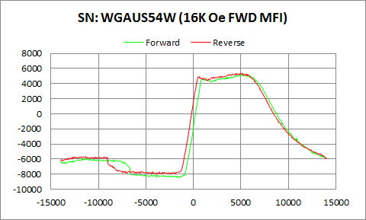

WGAUS54W | Forward |  | Reverse
 | Ampl | Field | Ampl | Field
50% Roll-off Field | -1620.9305 | 9531.0432614 | -1278.615 | 9178.2336932
P1 Switching Field | -5918.604 | -11599.48 | -5632.703 | -11350.15

Others | 0.17034070975 | 0.19061525161

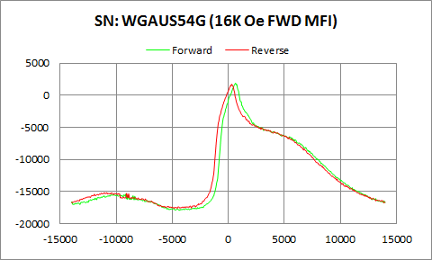

WGAUS54G | Forward |  | Reverse
 | Ampl | Field | Ampl | Field
50% Roll-off Field | -8018.928 | 6708.7714736 | -7937.298 | 6421.0442624
P1 Switching Field | -15391.46 | -9150.811 | -15169.61 | -10848.87

Others | 0.12290017265 | 0.13018359307

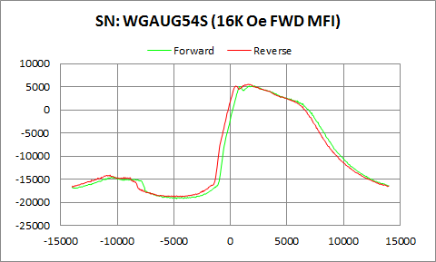

WGAUG54S | Forward |  | Reverse
 | Ampl | Field | Ampl | Field
50% Roll-off Field | -7010.094 | 8832.6318831 | -6645.489 | 8320.2942163
P1 Switching Field | -14493.27 | -10250.48 | -14075.06 | -10649.41

Others | 0.19529187446 | 0.19420233517

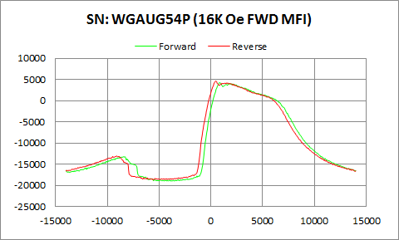

WGAUG54P | Forward |  | Reverse
 | Ampl | Field | Ampl | Field
50% Roll-off Field | -7380.2455 | 8407.0832986 | -7041.4055 | 7930.7594573
P1 Switching Field | -13238.11 | -8450.066 | -13055.97 | -9100.945

Others | 0.24347788961 | 0.24672358162

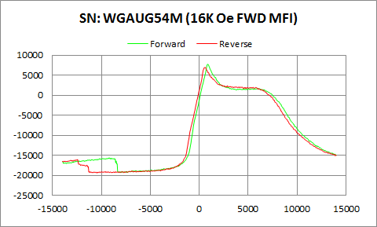

WGAUG54M | Forward |  | Reverse
 | Ampl | Field | Ampl | Field
50% Roll-off Field | -5803.673 | 9229.9199356 | -6216.532 | 9011.1699293
P1 Switching Field | -15628.41 | -9200.676 | -16057.77 | -12449.82

Others | 0.1236421853 | 0.14051245917

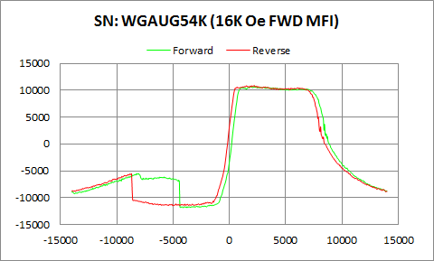

WGAUG54K | Forward |  | Reverse
 | Ampl | Field | Ampl | Field
50% Roll-off Field | -567.075 | 8987.067844 | -286.1 | 8590.478786
P1 Switching Field | -5476.309 | -8250.604 | -5521.404 | -8699.395

Others | 0.26368092457 | 0.2856700636

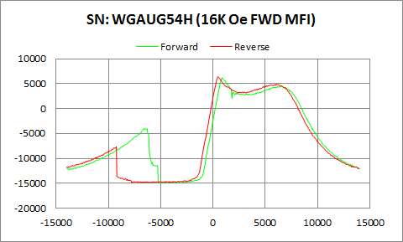

WGAUG54H | Forward |  | Reverse
 | Ampl | Field | Ampl | Field
50% Roll-off Field | -4371.762 | 9593.0439696 | -4256.709 | 9211.1969671
P1 Switching Field | -4005.797 | -6500.054 | -7658.141 | -9250.542

Others | 0.3424295433 | 0.5138175973

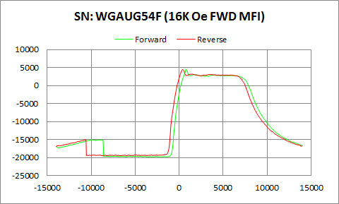

WGAUG54F | Forward |  | Reverse
 | Ampl | Field | Ampl | Field
50% Roll-off Field | -7683.997 | 9224.1261472 | -7513.9525 | 8777.0875456
P1 Switching Field | -15036.06 | -8848.992 | -15087.15 | -10749.14

Others | 0.18176199326 | 0.20044935801

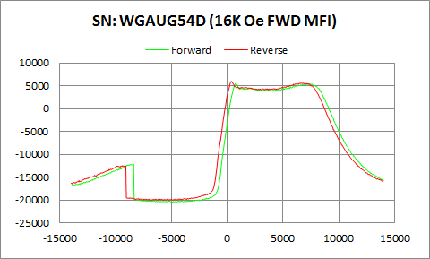

WGAUG54D | Forward |  | Reverse
 | Ampl | Field | Ampl | Field
50% Roll-off Field | -7475.667 | 10533.709014 | -7031.862 | 10074.673197
P1 Switching Field | -12096.9 | -8400.2 | -12433.65 | -9150.811

Others | 0.29226397625 | 0.32200725547

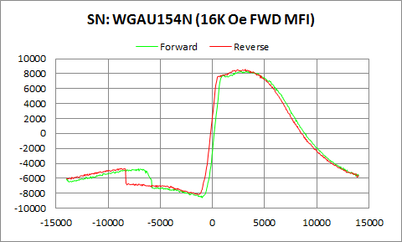

WGAU154N | Forward |  | Reverse
 | Ampl | Field | Ampl | Field
50% Roll-off Field | -125.2175 | 8961.4899491 | 215.6005 | 8397.1088417
P1 Switching Field | -4717.165 | -7101.067 | -4680.266 | -8699.395

Others | 0.20635569606 | 0.2312495856

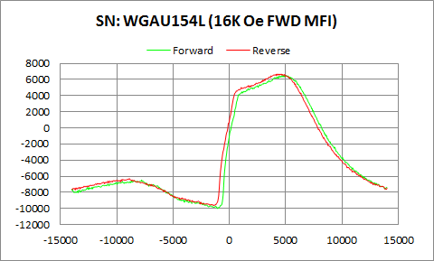

WGAU154L | Forward |  | Reverse
 | Ampl | Field | Ampl | Field
50% Roll-off Field | -1747.709 | 8956.6733036 | -1475.8685 | 8483.7915025
P1 Switching Field | -6459.058 | -7799.187 | -6286.431 | -8898.857

Others | 0.20242079238 | 0.2180157947

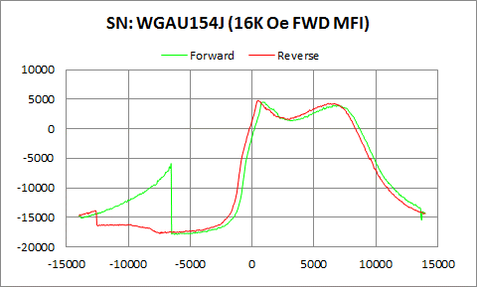

WGAU154J | Forward |  | Reverse
 | Ampl | Field | Ampl | Field
50% Roll-off Field | -6672.1545 | 10226.979774 | -6467.838 | 9824.5961443
P1 Switching Field | -5940.838 | -6549.919 | -13853.49 | -12649.29

Others | 0.17481109644 | 0.5283468681

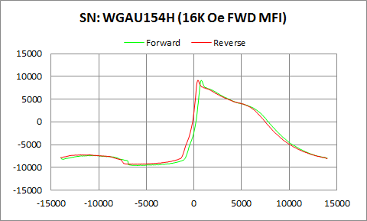

WGAU154H | Forward |  | Reverse
 | Ampl | Field | Ampl | Field
50% Roll-off Field | -228.082 | 7910.5410498 | -80.378 | 7520.4568915
P1 Switching Field | -7351.396 | -10599.54 | -7235.802 | -11901.3

Others | 0.11040281606 | 0.12141356049

